INPUT - OUTPUT
INPUT SPACE
OUTPUT SPACE

INTRODUCTION |  |  | COST HEAD | CS Cost | Client Cost
Part Name | End plate | 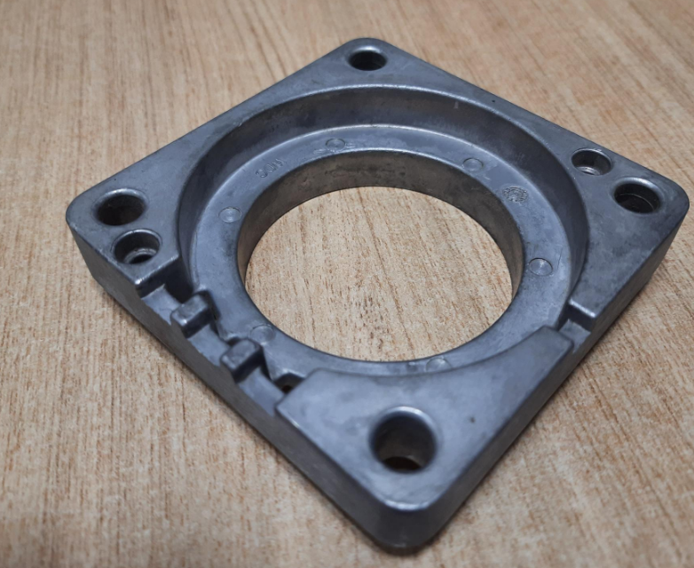 | RM Cost | 83.3
Part No | F4C02200_Item01 |  | BOP Cost | 0.0
Revision | #3 |  | TOTAL RM COST | 83.3
Supplier Category | A |  | CONVERSION COST | 33.6
Date of estimation | 16/6/2022 |  | ICC | 1.9
RM data base | 1-Apr-22 |  | Rejection | 0.4
Conversion data base | 1-Jan-19 |  | Rejection | 0.3
 |  |  | Tool maintenance | 0.7
COST HEADS |  |  | OH | 5.0
ICC | 2.25% | RM | Profit | 9.4
Rejection | 0.5% | RM | OTEHR COST | 17.7
Rejection | 1% | Conv | TOTAL COST | 134.6 | 637.97
Tool maintenance | 2% | Conv | Total Finish weight(kg) | 0.21
OH | 15% | Conv
Profit | 8% | RM+Conv | KEY RATIOS | %
 |  |  | RM Cost / Total Cost | 62%
 |  |  | Conversion cost / Total Cost | 25%
 |  |  | Other cost/ Total Cost | 13%

Process
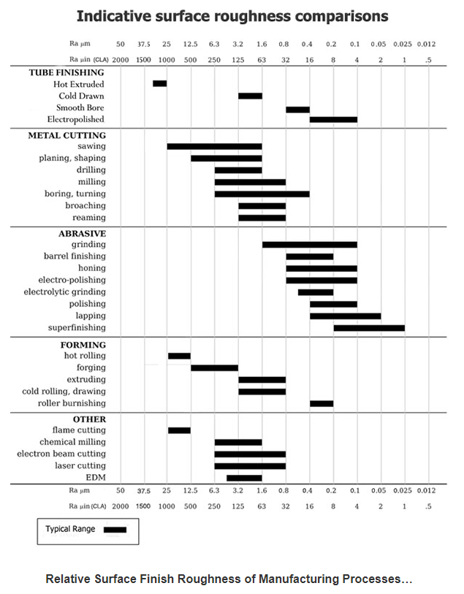
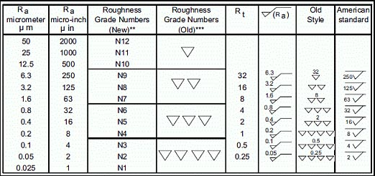
 |  |  |  |  |  |  | Total Process cost | 33.642000000000 |  |  | ProcessCategory | Description | Sc1 | Sc2 | Norms | UOM
 |  |  |  |  |  |  |  |  |  |  | Casting | GDC | <0.5 Kg |  | 82 | Per Kg | Drilling
S NO | CASTING PROCESS DESCRIPTION | QTY | Machine | Norms Rs/Unit | Operation | Units | Cost /part | TOTAL VALUE ADD | REMARKS |  | Casting | GDC | 0.51 to 2.0 Kgs |  | 72 | Per Kg | Milling
1 | Aluminium PDC conversion | 1 | 250T | 25 | PDC | 1.00 | 25.00 | 25.00 | Per shot |  | Casting | GDC | > 2 Kgs |  | 69 | Per Kg | Turning
2 | Shot blasting | 1 |  | 7 | Shot blasting | 0.211 | 1.48 | 1.48 |  |  | Casting | PDC | 250T |  | 25 | per shot | Tapping
3 | Impregnation | 1 |  | 15 | Impregnation | 0.211 | 3.17 | 3.17 |  |  | Casting | PDC | 400T |  | 45 | per shot | Boring
4 | Leak test | 1 |  | 2 | Leak test | 1 | 2.00 | 2.00 | Approx |  | Casting | PDC | 650T |  | 70 | per shot | Chamfering
5 | Cleaning | 1 |  | 2 | Cleaning | 1 | 2.00 | 2.00 |  |  | Casting | PDC | 800T |  | 100 | per shot | Spot facing
 |  |  |  |  |  |  |  |  |  |  | Casting | PDC | 1600T |  | 370 | per shot
 |  |  |  |  |  |  |  |  |  |  | Casting | PDC | 2000T |  | 535 | per shot

PROCESS
 |  |  |  |  |  |  |  |  |  | 0 | 0
S NO | PROCESS DESCRIPTION | QTY | MACHINERY COST |  |  |  |  |  |  |  | TOTAL VALUE ADD | REMARKS
 |  |  | Operation | SC1 | Norms Rs/Unit | UOM | Units | Time in Sec | Parts Per unit | Cost/part

Sheet1
